Analysis
 | Response Distribution of WTP
 | Price | Response
 |  | Y-Y | % | Y-N | % | N-Y | % | N-N | % | total | %
 | 5000 | 15 | 30.61 | 8 | 16.33 | 3 | 6.1224489796 | 23 | 46.94 | 49 | 100
 | 10000 | 13 | 22.81 | 10 | 17.54 | 14 | 24.561403509 | 20 | 35.09 | 57 | 100 |  |  | 40.891403509
 | 15000 | 8 | 14.04 | 14 | 24.56 | 8 | 14.035087719 | 27 | 47.37 | 57 | 100
 | 20000 | 13 | 25 | 9 | 17.31 | 7 | 13.461538462 | 23 | 44.23 | 52 | 100
 | Total | 49 | 22.79 | 41 | 19.07 | 32 | 14.88372093 | 93 | 43.26 | 215 | 100

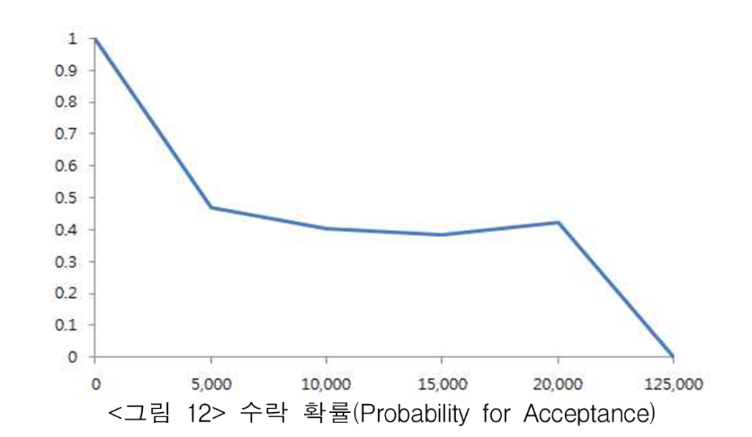
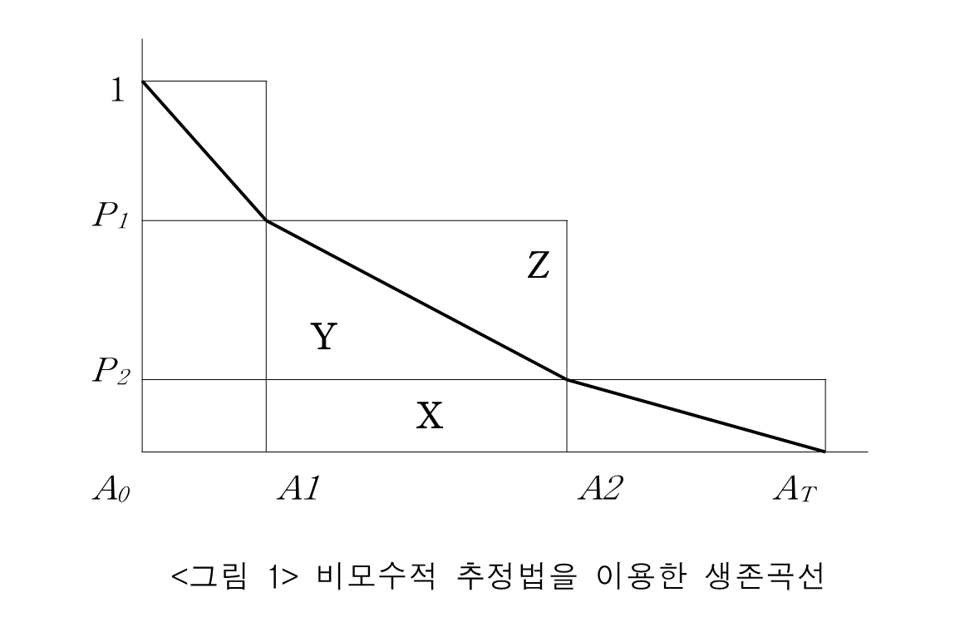
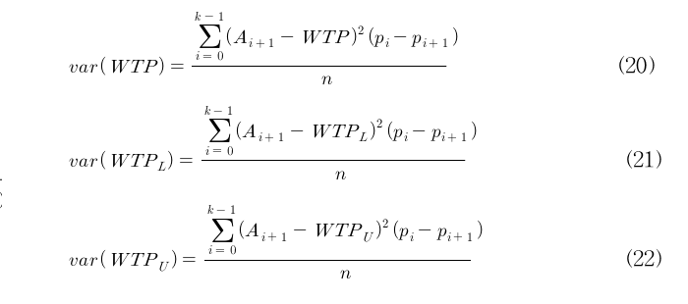

 |  | 46.94 |  |  |  | Middle | X+Y
 |  | 40.35 |  |  |  | Lower | X
 |  | 38.6 |  |  |  | Upper | X+Y+Z
 |  | 42.31
 |  |  |  |  |  |  |  |  |  |  |  | DP: Duffield and Patterson(1991)
 | Price(x) | (y)=ax+b Accept. Prob. | Revised Prob. Acceptance(y) | a=Δy/Δx | b=y - ax | Area(WTP) |  |  | var(WTP) |  |  | WTP(DP) | var. estimator | CI (95% sig. level)
 |  |  |  |  |  | Middle | Lower | Upper | Middle | Lower | Upper
 | 0 | 1 | 1 |  |  |  | 2,347 | 5,000 | 307079045.52 | 5221512.0314 | 1073366938.7 |  |  | 32911.169093
 | 5000 | 0.4694 | 0.4694 | -0.0001061200 | 1.0000000000 | 3,674 | 2,018 | 2,347 | 23932853.509 | 228723.6771 | 105318778.86 | 3520.5 | 285914.89286 | 61234.830907
 | 10000 | 0.4035 | 0.4035 | -0.0000131800 | 0.5353000000 | 2,182 | 1,930 | 2,018 | 3457986.8575 | 824263.4575 | 21409334.258 | 2017.5 | 105564.80263
 | 15000 | 0.3860 | 0.3860 | -0.0000035000 | 0.4385000000 | 1,974 | 1,843 | 1,930 | 1435511.8575 | 2462788.4575 | 15725859.258 | 1930 | 103949.12281
 | 20000 | 0.4231 | 0.3685 | -0.0000035000 | 0.4385000000 | 1,886 | - | 38,693 |  |  |  | 39613.75 | 51715941.076
 | 125000 | 0.0000 | 0.0000 | -0.0000035095 | 0.4386904762 | 19,346
 | y=-0.0000035x+0.4385 |  |  |  |  | 29,062 | 8,137 | 49,987 | 1562350.6872 | 40638.547086 | 5654980.9817 | 47081.75 | 52211369.894
 | x=20000 일때 |  | 0.3685
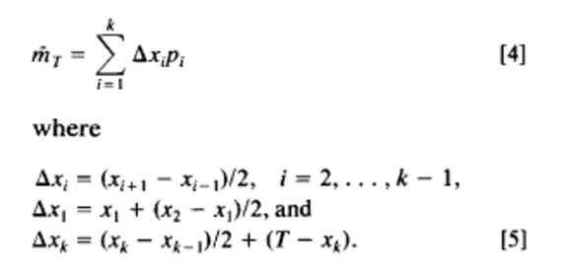
Max. Price | if y=0 | then, x= | 125285.71429

WTP estimation by non-parametric est. (Unit:₩)
Median | 4,712 | (y = -0.0001061200x + 1 , if y=0.5 then x=) |  |  | 0.5=-0.00010612x +1 ∴ x= |  | 4711.6471919
Mean | 29,062 | var(WTP) | 1,562,468
WTP(L) | 8,137 | var(WTP(L)) | 40,670
WTP(U) | 49,987 | var(WTP(U)) | 5,655,763
WTP(DP) | 47,082 | var(WTP(DP)) | 52,206,751
 |  | CI | 35,188~58,958

